Accomodations & Map
1) | Holiday Inn Express (A on Map)
 | Toll-Free Reservations
 | 1-866-512-7666

 | Holiday Inn Express Stellarton/New Glasgow
 | Exit 24 Trans Canada Highway
 | 86 Lawrence Blvd
 | Stellarton, NS, Canada, B0K 1S0
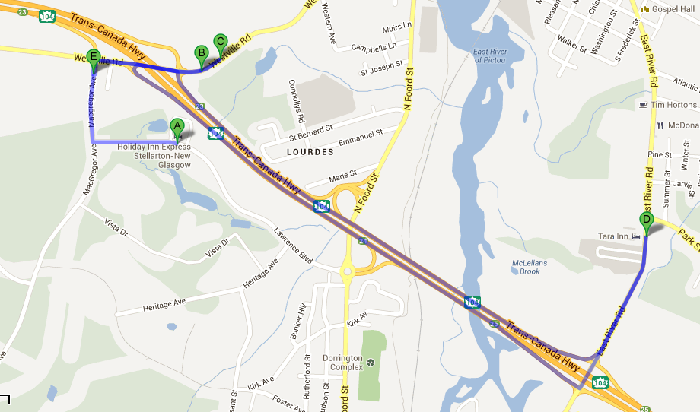
 | 902) 752-8222
 | www.hiestellarton.com

2) | Travelodge Suites (C on Map)
 | Exit 23 Trans Canada Highway
 | Toll-Free Reservations
 | 1-800-578-7878

 | Travelodge Suites
 | Exit 23 Trans Canada Highway
 | 700 Westville Road
 | New Glasgow, NS B2H 2J8
 | (902) 928-1333

 | www.travelodge.ca/hotel/travelodge-suites-new-glasgow

3) | Comfort Inn (B on Map)

 | Comfort Inn New Glasgow
 | Exit 23 Trans Canada Highway
 | 740 Westville Road
 | New Glasgow, NS B2H 2J8
 | (902) 755-6450

 | www.choicehotels.ca/en/new_glasgow-hotel-comfort-nova_scotia-cn250-en

4) | Tara Motel (D on Map)
 | Trans Canada Highway 104, Exit 25
 | Tel (902) 752-8458
 | Fax (902) 755-5565 | CLOSED
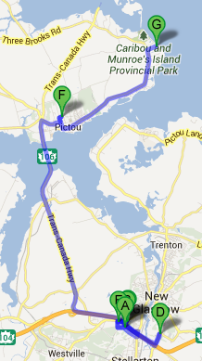
 | Toll Free (902) 1-800-565-4312

 | Tara Motel
 | 917 East River Road |  | OTHER HOTELS IN THE AREA
 | New Glasgow, N.S.
 | B3H 3S5 |  |  | HOTELS
 | Email Us: taramotel@ns.sympatico.ca
 |  |  |  | Holiday inn Stellarton
5) | Pictou County Wellness Centre (E on Map) |  |  | comfort inn New glasgow
 | 2756 Westville Road |  |  | Travel lodge new Glasgow
 | RR 3 New Glasgow, NS |  |  | Lions stone inn pictou
 | B2H 5E6 |  |  | Smith Rock Chalets
 | (902) 755-8870 |  |  | Dolans Inn and suites pictou
 |  |  |  | Some more in surrounding areas.
6) | Hector Arena (F on Map)
 | 38 Arena Dr, Pictou, NS |  |  | Balmoral Motel tatamagouche
 | (902) 485-5122 |  |  | Super8 Truro
 |  |  |  | Inn on prince truro
4) | Pictou Lodge Resort (G on Map) |  |  | Best western truro
 | 172 Lodge Road, Braeshore |  |  | Comfort Inn truro
 | Pictou, NS | back open! |  | Berrys motel truro
 | B0K1H0 |  |  | Microtel Antigonish
 | 1 (902) 448-9730 |  |  | Maritime inn Antigonish
 | https://pictoulodge.ca/ |  |  | Claymore Antigonish

